Parameters and Instructions
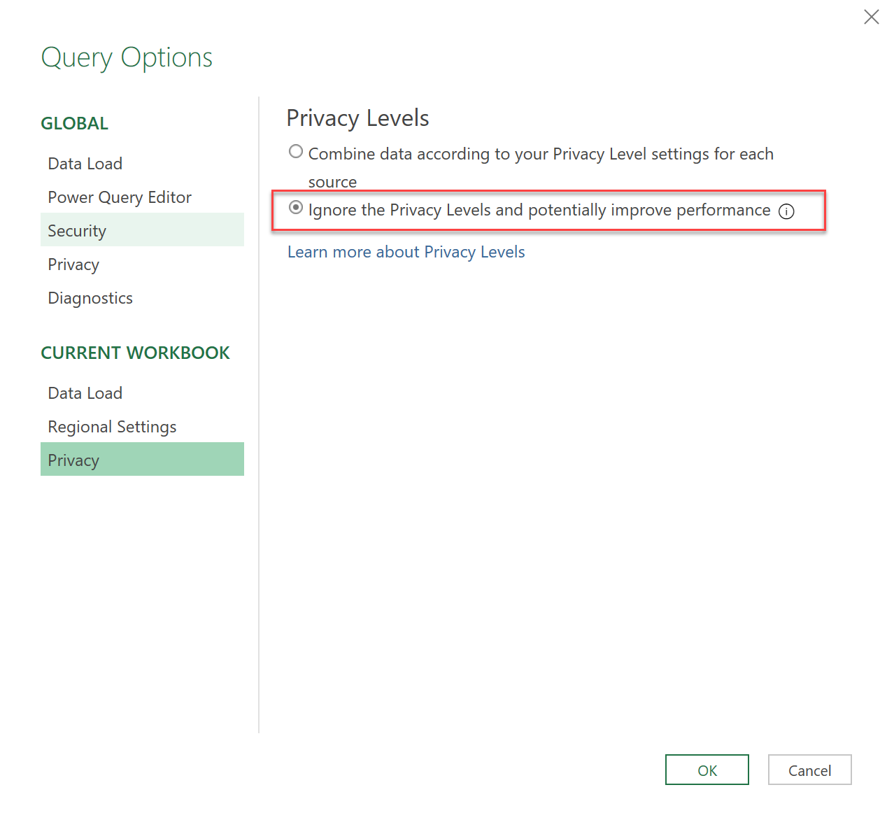
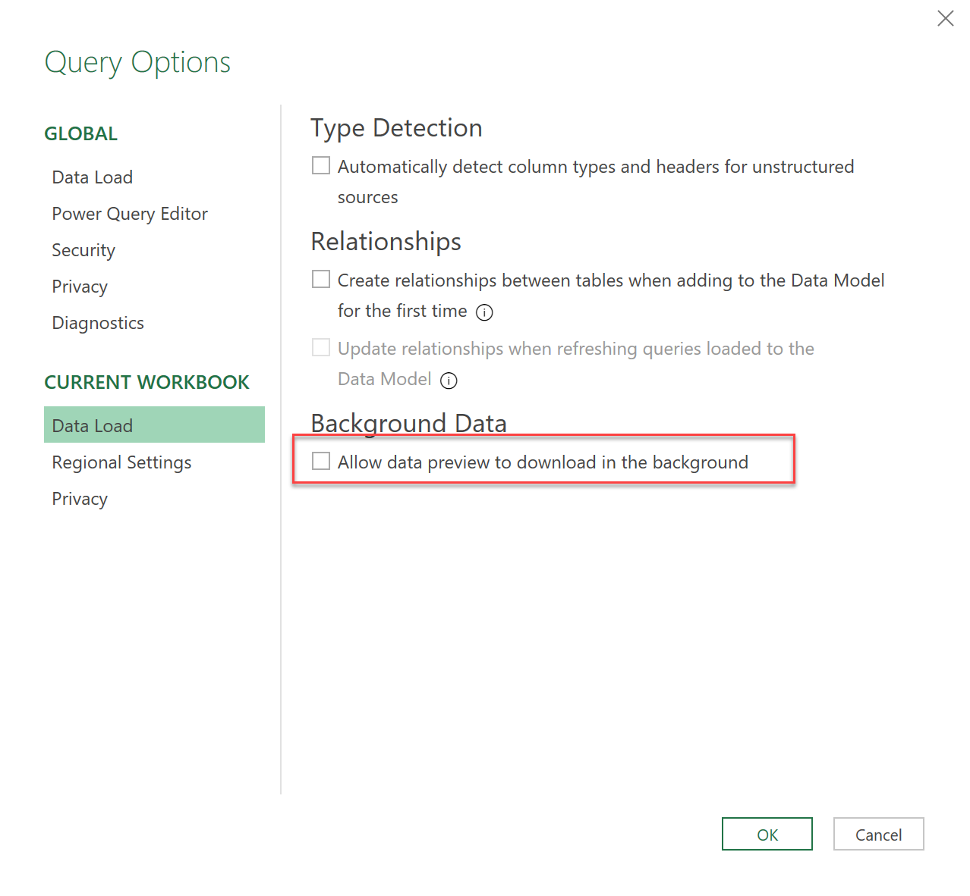
 |  |  | POWER BI COMPARER
 |  |  | Compares all properties from 2 Power BI template files with each other

Parameters:
 | Fully specified file paths
Old Version | <YourFilePathToOldVersionGoesHere>
New Version | <YourFilePathToNewVersionGoesHere>

Summary:
 | Page | # of changes
 | CompareMashup | 11 |  | 0 | !! Inconsistency Warning !!
 | CompareTables | 116
 | CompareVisuals | 11
 | EverytingElse | 48

Instructions:
1 | Convert the pbix-files to templates (pbit):
 | In Power BI: File -> Save as -> under "Save as type" choose: "Power BI template file (pbit)"

2 | Enter pbit-filepaths into table above:
 | They have to be fully specified like: C:/User/Pathxyz/YourPBIFilename.pbit

3 | Refresh data:
 | Data -> Refresh All

4 | Optional steps to improve refresh time:

 | Data -> Get Data -> Query Options
 | a) Ignore Privacy Levels (see pic below)
 | b) Disable data preview download in the background (see pic below)

